BOM
BOM NO | PARÇA NUMARASI | GÖRSEL | İMALAT YÖNTEMİ | BİRİM ADET/BOY | TOPLAM ADET/BOY | STOK NO | PARÇA ADI VE AÇIKLAMASI | REV
1 | BK-600-K06 | 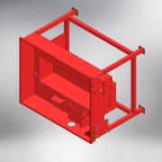 | KAYNAKLI İMALAT | 1 | 1 | BK-600-K06 | SASE KAYNAĞI (BUYUK KESISI-600) | 0
1.1 | BK-600 PROFIL KARKAS | 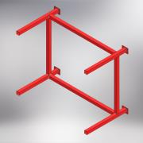 | KAYNAKLI İMALAT | 1 | 1 | BK-600-KARKAS MONTAJ | TABAN PROFIL SASE
1.1.1 | KARE PROFIL - 40 x 40 x 2 | *Varies* | STANDART | 557,000 mm | 2228,000 mm | 40 x 40 x 2 | KARE PROFIL - 40 x 40 x 2
1.1.2 | KARE PROFIL - 40 x 40 x 2 | *Varies* | STANDART | 1025,000 mm | 2050,000 mm | 40 x 40 x 2 | KARE PROFIL - 40 x 40 x 2
1.1.3 | KARE PROFIL - 40 x 40 x 2 | *Varies* | STANDART | 700,000 mm | 1400,000 mm | 40 x 40 x 2 | KARE PROFIL - 40 x 40 x 2
1.1.4 | BK-450-13 | 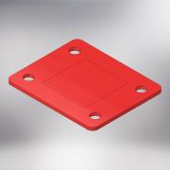 | LAZER KESIM | 4 | 4 | BK-450-13 | TEKER BAGLANTI SACI (BUYUK KESICI-450) | 0
1.2 | BK-600-01 | 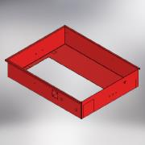 | LAZER KESIM + BUKUM | 1 | 1 | BK-600-01 | ANA GÖVDE (BÜYÜK KESICI - 600) | 0
1.3 | BK-600-02 | 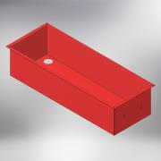 | LAZER KESIM + BUKUM | 1 | 1 | BK-600-02 | YAG HAVUZU (BUYUK KESICI - 600) | 0
1.4 | BK-450-09 |  | LAZER KESIM + BUKUM | 1 | 1 | BK-450-09 | YAG TUTUCU MUHAFAZA SACI (BUYUK KESICI-450) | 0
1.5 | BK-450-15 | 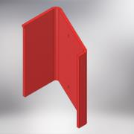 | LAZER KESIM + BUKUM | 1 | 1 | BK-450-15 | TAS TUTUCU KESTAMIT BAGLANTI SACI (BUYUK KESICI-450) | 0
1.6 | BK-450-25 | 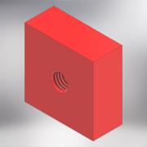 | LAZER KESIM | 4 | 4 | BK-450-25 | KAYNAKLI BAĞLANTI TAKOZU (BUYUK KESICI-450) | 0
1.7 | BK-450-SP-27 | 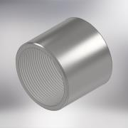 | STANDART | 1 | 1 | BK-450-SP-27 | GALVANIZ MANSON (2'') | 0
1.8 | BK-450-14 | 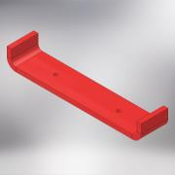 | LAZER KESIM + BUKUM | 1 | 1 | BK-450-14 | TUTMA KULPU (BUYUK KESICI-450) | 0
1.9 | 30x10 LAMA DEMIR | 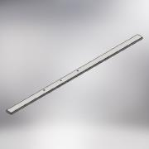 | STANDART | 820mm | 820mm | 30 x 10 | LAMA (30x10)
1.10 | BK-450-17 | 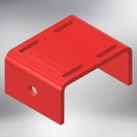 | LAZER KESIM + BUKUM | 1 | 1 | BK-450-17 | MOTOR BAGLANTI SACI (BUYUK KESICI-450) | 0
1.11 | BK-450-07 | 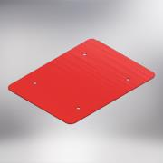 | LAZER KESIM | 1 | 1 | BK-450-07 | ELEKTRIK DOLABI BAGLANTI SACI (BUYUK KESICI-450) | 0
1.12 | 20x10 LAMA DEMIR | 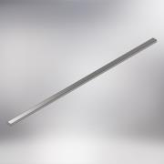 | STANDART | 775mm | 775mm | 20 x 10 | LAMA (20x10)
1.13 | BK-450-31 | 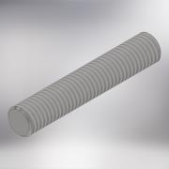 | TALAŞLI İMALAT | 4 | 4 | BK-450-31 | MOTOR BAGLNTI ARAYUZU SAPLAMASI (BUYUK KESICI-450) | 0
1.14 | BK-600-18 | 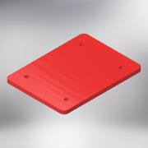 | LAZER KESIM | 1 | 1 | BK-600-18 | MOTOR BAGLANTI ARA YUZU (BUYUK KESICI-600) | 0
1.15 | BK-450-26 | 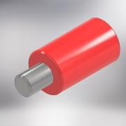 | TALAŞLI İMALAT | 1 | 1 | BK-450-26 | KAYNAKLI MENTESE ERKEK DELIKSIZ (BUYUK KESICI-450) | 0
1.16 | BK-450-27 |  | TALAŞLI İMALAT | 1 | 1 | BK-450-27 | KAYNAKLI MENTESE PARCASI ERKEK YARIKLI (BUYUK KESICI-450) | 0
1.17 | BK-450-68 | 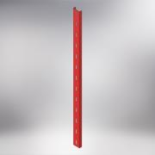 | LAZER KESIM | 1 | 1 | BK-450-68 | KABLO KANALI (BUYUK KESICI-450) | 0
1.18 | BK-450-75 | 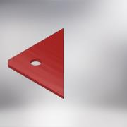 | LAZER KESIM | 2 | 2 | BK-450-75 | BAYRAK (BUYUKKESICI-450) | 0
1.19 | BK-450-23 | 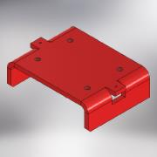 | LAZER KESIM + BUKUM | 1 | 1 | BK-450-23 | YATAK BAGLANTI SACI (BUYUK KESICI-450) | 1
1.20 | BK-450-78 | 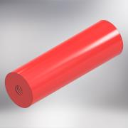 | TALAŞLI İMALAT | 2 | 2 | BK-450-78 | MUHAFAZA BAĞLANTI TAKOZU (BUYUK KESICI-450) | 0
2 | BK-450-49 | 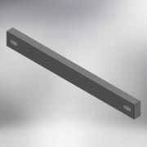 | LAZER KESM + TALAŞLI IMALAT | 2 | 2 | BK-450-49 | MİL YATAĞI BAĞLANTI TAKOZU (BUYUK KESICI-450) | 0
3 | DUZ RONDELA M10 (DIN 125 - A 10,5) |  | STANDART | 10 | 10 |  | DÜZ RONDELA (M10)
4 | IMBUS CIVATA (ISO 4762 - M10 x 35) |  | STANDART | 4 | 4 |  | IMBUS CIVATA (M10 x 35)
5 | BK-450-SP-14 | 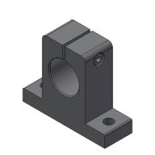 | STANDART | 4 | 4 | BK-450-SP-14 | MIL TUTUCU (SK30)
6 | IMBUS CIVATA (ISO 4762 - M8 x 35) |  | STANDART | 8 | 8 |  | IMBUS CIVATA (M8 x 35)
7 | BK-450-SP-13 | 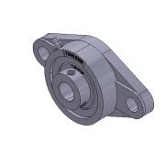 | STANDART | 3 | 3 | BK-450-SP-13 | YATAKLI RULMAN (UCFL202)
8 | BK-600-36 | 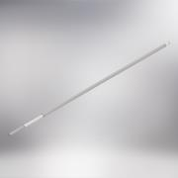 | STANDART + TALAŞLI IMALAT | 1 | 1 | BK-600-36 | GIJON MILI (BUYUK KESICI-600) | 0
9 | YAYLI RONDELA M10 (IN 127 - A 10) | 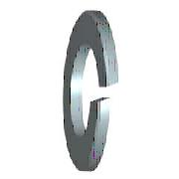 | STANDART | 4 | 4 |  | YAYLI RONDELA M10
10 | (ŞAPKALI SOMUN (DIN 1587 - M10 - SW16) | 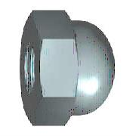 | STANDART | 4 | 4 |  | ŞAPKALI SOMUN - M10
11 | IMBUS CIVATA (ISO 4762 - M10 x 30) |  | STANDART | 4 | 4 |  | IMBUS CIVATA (M10 x 30)
12 | IMBUS CIVATA (ISO 4762 - M10 x 40) |  | STANDART | 2 | 2 |  | IMBUS CIVATA (M10 x 40)
13 | BK-600-35 | 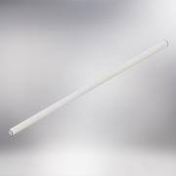 | TALAŞLI İMALAT | 2 | 2 | BK-600-35 | MENGENE KAYAR YATAK MILI (INDIKSIYONLU MIL) (BUYUK KESICI-600) | 0
14 | BK-450-SP-20 | 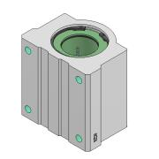 | STANDART | 4 | 4 | BK-450-SP-20 | LINEER RULMAN (SCE 30 UU)
15 | IMBUS CIVATA (ISO 4762 - M8 x 25) |  | STANDART | 20 | 20 |  | IMBUS CIVATA (M8 x 25)
16 | BK-450-SP-16 | 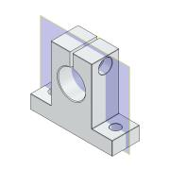 | STANDART | 4 | 4 | BK-450-SP-16 | MIL TUTUCU (SK20)
17 | IMBUS CIVATA (ISO 4762 - M6 x 20) |  | Purchased | 28 | 28 |  | IMBUS CIVATA (M6 x 20)
18 | IMBUS CIVATA (ISO 4762 - M5 x 25) |  | Purchased | 6 | 6 |  | IMBUS CIVATA (M5 x 25)
19 | BK-450-47 | 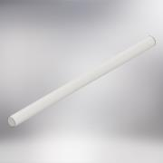 | TALAŞLI İMALAT | 2 | 2 | BK-450-47 | MENGENE KAYAR Mİİ (BUYUK KESICI-450) | 0
20 | BK-450-SP-17 | 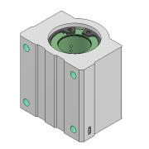 | STANDART | 4 | 4 | BK-450-SP-17 | LINEER RULMAN (SCE 20 UU)
21 | BK-450-SP-19 | 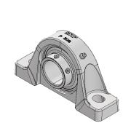 | STANDART | 2 | 2 | BK-450-SP-19 | YATAKLI RULMAN (UCP 208)
22 | BK-450-54 | 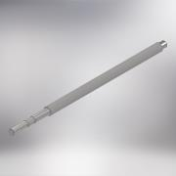 | TALAŞLI İMALAT | 1 | 1 | BK-450-54 | MENGENE BİLYALI MİLİ (BUYUK KESICI-450) | 1
23 | BK-450-55 | 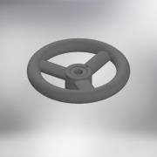 | STANDART + TALAŞLI IMALAT | 1 | 1 | BK-450-55 | BAKALIT KOL (Q175) (BUYUK KESICI-450) | 0
24 | BK-600-37 | 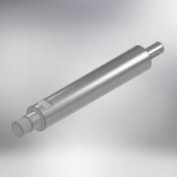 | TALAŞLI İMALAT | 1 | 1 | BK-600-37 | TESTERE BAGLANTI MILI (KROM KAPLAMALI MİL) (BUYUK KESICI-600) | 0
25 | DUZ RONDELA (DIN 125 - A 8,4) |  | STANDART | 20 | 20 |  | DÜZ RONDELA (M8)
26 | BK-450-SP-18 | 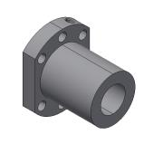 | STANDART | 1 | 1 | BK-450-SP-18 | VIDALI MIL SOMUNU (SFUR 2005)
27 | BK-450-42 | 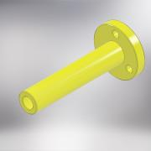 | TALAŞLI İMALAT | 1 | 1 | BK-450-42 | STOP BUTON YATAĞI (BUYUK KESICI-450) | 0
28 | BK-450-48 | 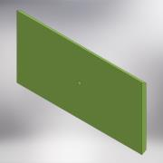 | TALAŞLI İMALAT | 1 | 1 | BK-450-48 | TAŞ TUTUCU KESTAMİT (BUYUK KESICI-450) | 0
29 | BK-600-K01-REV2 | 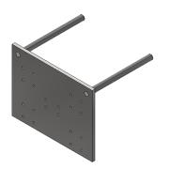 | KAYNAKLI İMALAT | 1 | 1 | BK-600-K01 | MENGENE TABLASI KAYNAĞI (BUYUK KESICI-600) | 0
29.1 | BK-600-57 | 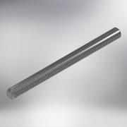 | TALAŞLI İMALAT | 2 | 2 | BK-600-57 | MENGENE SAPLAMASI (BUYUK KESICI-600) | 0
29.2.1 | BK-600-21 | 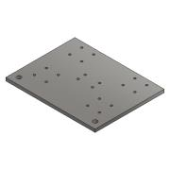 | LAZER KESIM | 1 | 1 | BK-600-21 | TABLA UST (BUYUK KESICI-600) | 1
30 | BK-600-K05 | 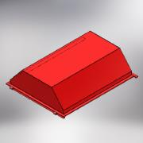 | KAYNAKLI İMALAT | 1 | 1 | BK-600-K05 | KAPAK KAYNAĞI (BUYK KESICI-600) | 0
30.1 | BK-600-12 | 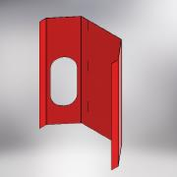 | LAZER KESIM + BUKUM | 1 | 1 | BK-600-12 | KAPAK UST KAPAMA SACI (BUYUK KESICI-600) | 0
30.2 | BK-450-11 | 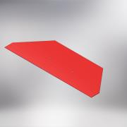 | LAZER KESIM + BUKUM | 1 | 1 | BK-450-11 | KAPAK ON SACI (BUYUK KESICI-450) | 0
30.3 | BK-450-10 | 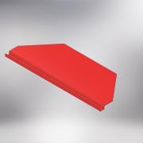 | LAZER KESIM + BUKUM | 1 | 1 | BK-450-10 | KAPAK ARKA SACI (BUYUK KESICI-450) | 0
30.4 | 30x10 LAMA DEMIR |  | STANDART | 1080mm | 2160mm | 30x10 | LAMA (30x10)
30.5 | 30x10 LAMA DEMIR |  | STANDART | 828mm | 828mm | 30x10 | LAMA (30x10)
30.6 | 30x10 LAMA DEMIR |  | STANDART | 860mm | 860mm | 30x10 | LAMA (30x10)
30.7 | BK-600-08 | 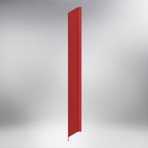 | LAZER KESIM + BUKUM | 1 | 1 | BK-600-08 | GOZETLEME CAMI MUHAFAZASI (BUYUK KESICI-600) | 0
30.8 | BK-450-30 | 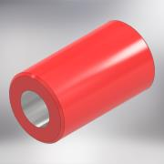 | TALAŞLI İMALAT | 1 | 1 | BK-450-30 | KAYNAKLI MENTESE DISI (DELIKSIZ) (BUYUK KESICI-450) | 0
30.9 | BK-450-29 | 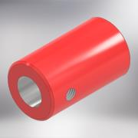 | TALAŞLI İMALAT | 1 | 1 | BK-450-29 | KAYNAKLI MENTESE DISI (DELIKLI) (BUYUK KESIC-450) | 0
31 | BK-450-SP-08 | 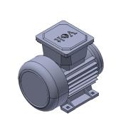 | STANDART | 1 | 1 | BK-450-SP-08 | ELEKTRIK MOTORU (0.18KW-1500 DEV/MIN-MONO FAZ-230V) VOLT
32 | BK-450-SP-09 | 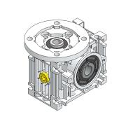 | STANDART | 1 | 1 | BK-450-SP-09 | REDIKTOR (NMRV030)
33 | BK-450-50 |  | LAZER KESIM | 1 | 1 | BK-450-50 | SWITCH BAĞLANTI LAMASI (BUYUK KESICI-450) | 0
34 | DUZ RONDELA (DIN 125 - A 5,3) |  | STANDART | 8 | 8 |  | DÜZ RONDELA (M5)
35 | SOMUN (ISO 4032 - M5) |  | STANDART | 6 | 6 |  | SOMUN (M5)
36 | DÜZ RONDELA (DIN 125 - A 6,4) |  | STANDART | 19 | 19 |  | DÜZ RONDELA (M6)
37 | CIVATA AKB (ISO 4017 - M6 x 25) |  | STANDART | 4 | 4 |  | CIVATA AKB (M6 x 25)
38 | SOMUN (ISO 4032 - M6) |  | STANDART | 9 | 9 |  | SOMUN (M6)
39 | BK-450-59 |  | TALAŞLI İMALAT | 1 | 1 | BK-450-59 | REDİKTÖR DİŞLİ MİLİ (BUYUK KESICI-450) | 0
40 | BK-450-62 |  | TALAŞLI İMALAT | 1 | 1 | BK-450-62 | SIKISTIRMA AYAR KOLU (BUYUK KESICI-450) | 0
41 | BK-450-K03 |  | KAYNAKLI İMALAT | 1 | 1 | BK-450-K03 | SWITCH KOLU KAYNAĞI (BUYUK KESICI-450) | 0
41.1 | BK-450-63 |  | TALAŞLI İMALAT | 1 | 1 | BK-450-63 | SWITCH KOLU RONDELASI (BUYUK KESICI-450) | 0
41.2 | BK-450-64 |  | TALAŞLI İMALAT | 1 | 1 | BK-450-64 | SWITCH KOLU (BUYUK KESICI-450) | 0
42 | GUPİLYA (ISO 1234 - 3,2 x 25) |  | STANDART | 1 | 1 |  | GUPİLYA (ISO 1234 - 3,2 x 25)
43 | EMIYET SEGMANI (DIN 471 - 10x1) |  | STANDART | 1 | 1 |  | EMNIYET SEGMANI (10x1)
44 | BK-450-SP-15 |  | STANDART | 2 | 2 | BK-450-SP-15 | YATAY HAREKETLI KISKAC
45 | BK-450-06 |  | LAZER KESIM + BUKUM | 1 | 1 | BK-450-06 | YATAK MUHAFAZASI (BUYUK KESICI-450) | 0
46 | BK-600-24 |  | LAZER KESIM | 1 | 1 | BK-600-24 | MENGENE BASKI SACI (BUYUK KESICI-600) | 0
47 | BK-450-44 |  | TALAŞLI İMALAT | 2 | 2 | BK-450-44 | TESTERE RONDELASI (BUYUK KESICI-450) | 0
48 | BK-450-46 |  | TALAŞLI İMALAT | 1 | 1 | BK-450-46 | TESTERE SIKMA SOMUNU (BUYUK KESICI-45) | 0
49 | BK-600-60 |  | TALAŞLI İMALAT | 1 | 1 | BK-600-60 | TAŞ BAĞLATI TABLASI KESATAMİTİ (BUYK KESICI-600) | 0
50 | DUZ RONDELA (DIN 125 - A 21) |  | STANDART | 2 | 2 |  | DÜZ RONDELA (M20)
51 | BK-600-61 |  | TALAŞLI İMALAT | 1 | 1 | BK-600-61 | MENGENE KESTAMITI (BUYUK KESICI-600) | 0
52 | BK-450-65 |  | TALAŞLI İMALAT | 1 | 1 | BK-450-65 | SABITLEME TOPUZU SAPLAMASI (BUYUK KESICI-450) | 0
53 | BK-450-SP-31 |  | STANDART | 1 | 1 | BK-450-SP-31 | SIKMA TOPUZU (M6)
54 | BK-450-66 |  | TALAŞLI İMALAT | 1 | 1 | BK-450-66 | BALATA FLANŞI (BUYUK KESIC-450) | 0
55 | BK-450-K02 |  | KAYNAKLI İMALAT | 2 | 2 | BK-450-K02 | SIKMA SOMUNU KAYNAĞI (BUYUK KESICI-450) | 0
55.1 | BK-450-67 |  | TALAŞLI İMALAT | 1 | 1 | BK-450-67 | MENGENE SIKMA SOMUNU (BUYUK KESICI-450) | 0
55.2 | BK-450-19 |  | LAZER KESIM | 2 | 2 | BK-450-19 | SIKMA SOMUNU KULAGI (BUYUK KESCI-450) | 0
56 | BK-600-SP-05 |  | STANDART | 1 | 1 | BK-600-SP-05 | ELEKTRIK MOTORU (1.5KW-1500 DEV/MIN-MONO FAZ-230V) VOLT | 0
57 | DÜZ RONDELA (DIN 9021 - 8,4) |  | STANDART | 2 | 2 |  | DUZ RONDELA (M8)
58 | SOMUN (ISO 4032 - M8) |  | STANDART | 22 | 22 |  | SOMUN (M8)
59 | BK-450-K04 |  | KAYNAKLI İMALAT | 1 | 1 | BK-450-K04 | KAYIS MUHAFAZA KAYNAĞI (BUYUK KESICI-450) | 0
59.1 | BK-450-05 |  | Normal | Each | 1 | BK-450-05 | KAYIS MUHAFAZA ON SACI (BUYUK KESICI-450) | 0
59.2 | BK-450-03 |  | Normal | Each | 1 | BK-450-03 | KAYIS MUHAFAZA SACI (BUYUK KESICI-450) | 0
60 | BK-450-SP-11 |  | STANDART | 2 | 2 | BK-450-SP-11 | RULMAN (6002)
61 | BK-450-38 |  | TALAŞLI İMALAT | 1 | 1 | BK-450-38 | BALATA (BUYUK KESICI-450) | 0
62 | BK-450-SP-10 |  | STANDART | 1 | 1 | BK-450-SP-10 | RULMAN (51202)
63 | IMBUS CIVATA (ISO 4762 - M5 x 20) |  | STANDART | 3 | 3 |  | IMBUS CIVATA (M5 x 20)
64 | DUZ GENIS RONDELA (DIN 9021 - 10,5) |  | STANDART | 7 | 7 |  | DÜZ GENİŞ RONDELA (M10)
65 | BK-450-43 |  | TALAŞLI İMALAT | 2 | 2 | BK-450-43 | SIKMA SOMUNU (M18) (BUYUK KSICI-450) | 0
66 | IMBUS CIVATA (ISO 4762 - M6 x 25) |  | STANDART | 4 | 4 |  | IMBUS CIVATA (M6 x 25)
67 | CIVATA AKB (DIN 933 - M6 x 20) |  | STANDART | 4 | 4 |  | CIVATA AKB (M6 x 20)
68 | BK-450-SP-03 |  | STANDART | 1 | 1 | BK-450-SP-03 | TUTMA KOLU | 0
69 | SOMUN (ISO 4032 - M10) |  | STANDART | 10 | 10 |  | SOMUN (M10)
70 | KÖR TAPA (DIN EN 10242 Beaded Plug T9 2) |  | STANDART | 1 | 1 |  | KÖR TAPA (G2'')
71 | BK-450-SP-22 |  | DIŞ TEDARİKÇİ | 1 | 1 | BK-450-SP-22 | SWITCH YAYI (Q14x1x40mm)
72 | BK-450-SP-12 |  | DIŞ TEDARİKÇİ | 1 | 1 | BK-450-SP-12 | BALATA YAYI (Q31x89.5)
73 | BK-450-69 |  | TALAŞLI İMALAT | 1 | 1 | BK-450-69 | ALIN RONDELASI (BUYUK KESICI-450) | 0
74 | CIVATA AKB (DIN 933 - M8 x 16) |  | STANDART | 1 | 1 |  | CIVATA AKB (M8 x 16)
75 | BK-450-04 |  | LAZER KESIM + BUKUM | 1 | 1 | BK-450-04 | DISLI MUHAFAZASI (BUYUK KESICI-450) | 0
76 | BK-450-70 |  | TALAŞLI İMALAT | 1 | 1 | BK-450-70 | KAMA (BUYUK KESICI-450) | 0
77 | BK-450-SP-06 |  | SANDART | 2 | 2 | BK-450-SP-06 | KESICI SWITCH - L5K13MEP123 (EMAS)
78 | IMBUS CIVATA (ISO 4762 - M4 x 35) |  | SANDART | Each | 5 |  | IMBUS CIVATA (M4 x 35)
79 | DÜZ RONDELA (DIN 125 - A 4,3) |  | SANDART | 2 | 2 |  | DÜZ RONDELA (M4)
80 | SOMUN (ISO 4032 - M4) |  | SANDART | 2 | 2 |  | SOMUN (M4)
81 | IMBUS CIVATA (ISO 4762 - M5 x 12) |  | SANDART | 1 | 1 |  | IMBUS CIVATA (M x 12)
82 | BK-450-SP-24 |  | STANDART | 1 | 1 | BK-450-SP-24 | SWITCH HAREKET TAKOZU
83 | ŞAPKLI SOMUN (DIN 1587 - M8) |  | STANDART | 1 | 1 |  | ŞAPKALI SOMUN - M8
84 | BK-450-SP-23 |  | STANDART | 2 | 2 | BK-450-SP-23 | DONER TEKER
85 | BK-450-SP-07 |  | STANDART | 1 | 1 | BK-450-SP-07 | ELEKTRIK PANOSU
86 | BK-450-SP-04 |  | STANDART | 1 | 1 | BK-450-SP-04 | CAM FITILI | 0
87 | BK-450-SP-02 |  | STANDART | 1 | 1 | BK-450-SP-02 | GÖZETLEME CAMI | 0
88 | BK-600-71 |  | TALAŞLI İMALAT | 1 | 1 | BK-600-71 | KESTAMIT (BUYUK KESICI-600) | 0
89 | DIN 6885 - A 8 x 7 x 28 |  | STANDART | 1 | 1 |  | KAMA (8x7x28)
90 | DIN 6885 - A 5 x 5 x 18 |  | STANDART | 1 | 1 |  | KAMA (5x5x18)
91 | DIN 916 - M6 x 6 |  | STANDART | 1 | 1 |  | SETSKUR (M6 x 6)
92 | BK-450-72 |  | TALAŞLI İMALAT | 1 | 1 | BK-450-72 | BALATA YAY KESTAMITI (BUYUK KESICI-450) | 0
93 | BK-450-73 |  | TALAŞLI İMALAT | 1 | 1 | BK-450-73 | BALATA YAY BASKI SABİTLEME PİMİ (BUYUK KESICI-450) | 0
94 | IMBUS CIVATA (ISO 4762 - M6 x 16) |  | STANDART | 4 | 4 |  | IMBUS CIVATA (M6 x 16)
95 | SOMUN (ISO 4032 - M14) |  | STANDART | 1 | 1 |  | SOMUN (M14)
96 | SETSKUR (DIN 916 - M10 x 16) |  | STANDART | 1 | 1 |  | SETSKUR (M10 x 16)
97 | BK-600-SP-01 |  | STANDART | 1 | 1 | BK-600-SP-01 | Q600 KESME TAŞI | 0
98 | BK-450-74 |  | TALAŞLI İMALAT | 1 | 1 | BK-450-74 | KEÇE FLANŞI (BUYUK KESICI 450-600) | 0
99 | BK-600-76 |  | TALAŞLI İMALAT | 1 | 1 | BK-600-76 | KASNAK (V-KAYIŞ) (Q120) BUYUK KESICI-600 | 0
100 | BK-450-39 |  | TALAŞLI İMALAT | 1 | 1 | BK-450-39 | BALATA DİŞLİSİ (BUYUK KESICI-450) | 0
101 | BK-450-40 |  | TALAŞLI İMALAT | 1 | 1 | BK-450-40 | KÜÇÜK DİŞLİ (BUYUK KESICI-450) | 0
102 | IMBUS CIVATA (ISO 4762 - M8 x 12) |  | STANDART | 2 | 2 |  | IMBUS CIVATA (M8 x 12)
103 | ŞAPKALI SOMUN (DIN 1587 - M6) |  | STANDART | 3 | 3 |  | ŞAPKALI SOMUN (M6)
104 | IMBUS CIVATA (ISO 4762 - M6 x 12) |  | STANDART | 1 | 1 |  | IMBUS CIVATA (M6 x 12)
105 | BK-600-K07-REV1 |  | KAYNAKLI İMALAT | 1 | 1 | BK-600-K07 | YATAK BAĞLANTI TABLASI (BUYUK KESICI-600) | 0
105.1 | BK-600-51 |  | LAZER KESIM | 1 | 1 | BK-600-51 | KISKAÇ BAĞLANTI LAMASI (BUYUK KESICI-600) | 0
105.2.1 | BK-450-20 |  | LAZER KESIM | 1 | 1 | BK-450-20 | TABLA BUYUK (BUYUK KESICI-450) | 1
106 | BK-450-16 |  | LAZER KESIM | 1 | 1 | BK-450-16 | ANAHTAR (BUYUK KESICI-450) | 0
107 | BK-450-SP-21 |  | STANDART | 1 | 1 | BK-450-SP-21 | DONER MIL KECESI (Q60xQ40x10)
108 | CIVATA AKB (ISO 4017 - M6 x 16) |  | STANDART | 1 | 1 |  | CIVATA AKB (M6 x 16)
109 | CIVATA AKB (DIN 933 - M8 x 50) |  | STANDART | 2 | 2 |  | CIVATA AKB (M8 x 50)
110 | BK-450-SP-25 |  | STANDART | 2 | 2 | BK-450-SP-25 | DONER TEKER (FRENLI)
111 | CIVATA AKB (ISO 4017 - M8 x 60) |  | STANDART | 1 | 1 |  | CIVATA AKB (M8 x 60)
112 | BK-450-77 |  | TALAŞLI İMALAT | 1 | 1 | BK-450-77 | KASNAK (V-KAYIŞ) (Q60) (BUYUK KESICI-450/600) | 0
113 | BK-450-SP-26 |  | STANDART | 1 | 1 | BK-450-SP-26 | V KAYIŞ (BX17)
114 | BK-450-SP-32 |  | STANDART | 1 | 1 | BK-450-SP-32 | AMORTISOR (VEKA)
116 | YAYLI RONDELA (DIN 127 - A 6) |  | STANDART | 2 | 2 |  | YAYLI RONDELA M6
117 | BK-450-SP-28 |  | STANDART | 1 | 1 | BK-450-SP-28 | MIL UCU YATAGI (BK-15)
118 | BK-450-SP-29 | (NULL) | STANDART | 1 | 1 | BK-450-SP-29 | MIL UCU YATAGI (BF-15)
119 | IMBUSCIVATA (ISO 4762 - M6 x 45) |  | STANDART | 7 | 7 |  | IMBUS CIVATA (M6 x 45)
120 | BK-450-SP-30 |  | Normal | 1 | 1 | BK-450-SP-30 | LINEER RULMAN YATAĞI (SSG-2010)
121 | BK-450-79 |  | LAZER KESIM | 1 | 1 | BK-450-79 | YATAK MESAFE SACI | 0
122 | DÜZ RONDELA (DIN 125 - A 15) |  | STANDART | 4 | 4 |  | DUZ RONDELA (M14)
123 | CIVATA AKB (ISO 4017 - M14 x 40) |  | STANDART | 4 | 4 |  | CIVATA AKB (M14 x 40)
124 | YAYLI RONDELA M10 (IN 127 - A 9) |  | STANDART | 16 | 16 |  | YAYLI RONDELA M8
125 | CIVATA AKB (ISO 4017 - M8 x 20) |  | STANDART | 16 | 16 |  | CIVATA AKB (M8 x 20)
126 | CIVATA AKB (ISO 4017 - M6 x 12) |  | STANDART | 3 | 3 |  | CIVATA AKB (M6 x 12)
127 | RONDELA MOTOR AYAĞI (Q20/Q10.5x5mm) |  | LAZER KESIM | 4 | 4 | BK-450-80 | RONDELA MOTOR AYAĞI (Q20/Q10.5x5mm)
128 | GROMMET - Q9mm |  | STANDART | 2 | 2 | BK-450-SP-33 | GROMMET - Q9mm

